Hoja1
 | AR5
CO2 | 1
CH4 | 28
N2O | 265

1 | Gg
1.00E+09 | g
1 | kt

1 | m3 | 1000 | m3
6.290 | bl | 6289.8105698 | bl
0.006 | kbl | 6.2898105698 | kbl
3.8E-02 | TJ | 38.48 | TJ
3.848020062E-05 | PJ | 0.03848020062 | PJ

1 | boe
6.1E+00 | TJ/kbl
5800 | Pc

 |  |  | Venting | Oil Production, Conventional Oil | 0.134205 | Gg per 10^3 m^3 | 0.000134205 | Gg/m3 |  |  | 3.487637742 | kt/PJ
 |  |  |  | Oil Production, Heavy Oil/Cold Bitumen
 |  |  |  | Oil Production

 |  | 3 |  | Metano | 0.0000006 | Gg per 10^3 m^3 | 5.9E-10 | Gg/m3 |  |  | 1.5332560395E-05 | kt/PJ
 |  | 77841 |  | CO2 | 0.0000000 | Gg per 10^3 m^4 | 4.3E-11 | Gg/m4 |  |  | 1.1174577915E-06 | kt/PJ
 |  | 0.6 |  | NO2 | 0.0000007 | Gg per 10^3 m^5 | 7.4E-10 | Gg/m5 |  |  | 1.923066897E-05 | kt/PJ

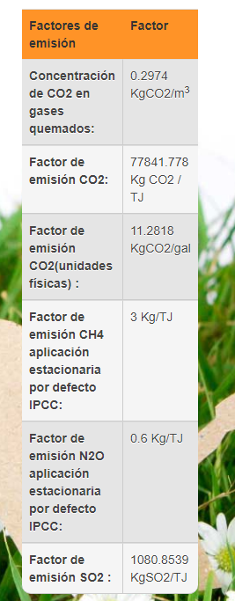
 |  |  |  |  |  |  |  |  | FE | sumadas | 3.5680687156E-05 | kt/PJ
 |  |  |  |  |  |  |  |  |  | ponderadas | 0.0055265564258 | kt/PJ

 |  |  |  |  |  |  |  |  | emisiones | sumadas | 0.046384893302 | kt
 |  |  |  |  |  |  |  |  |  | ponderadas | 7.1845233535 | kt

